Sheet1
 |  |  |  |  |  | MATCHE WINNERS |  | Toss Winners
Row Labels | Count of team1 |  | Row Labels | Count of team2 |  | Row Labels | Count of winner | Row Labels | Count of toss_winner
Gujarat Lions | 1 |  | Delhi Daredevils | 1 |  | Gujarat Lions | 13 | Gujarat Lions | 10
Kings XI Punjab | 2 |  | Gujarat Lions | 12 |  | Grand Total | 13 | Delhi Daredevils | 1
Kolkata Knight Riders | 3 |  |  | 13 |  |  |  | Royal Challengers Bangalore | 1
Mumbai Indians | 2 |  |  |  |  |  |  | Rising Pune Supergiants | 1
Rising Pune Supergiants | 3 |  |  |  |  |  |  | Grand Total | 13
Royal Challengers Bangalore | 2
Grand Total | 13

Row Labels | Count of team1 | Count of team2 | Matches Played | Toss Winners | Winners | Winning Rate
Chennai Super Kings | 89 | 75 | 164 | #N/A | #N/A | #N/A
Deccan Chargers | 43 | 32 | 75 | #N/A | #N/A | #N/A
Delhi Capitals | 6 | 10 | 16 | #N/A | #N/A | #N/A
Delhi Daredevils | 72 | 89 | 161 | 1 | #N/A | #N/A
Gujarat Lions | 14 | 16 | 30 | 10 | 13 | 43%
Kings XI Punjab | 91 | 85 | 176 | #N/A | #N/A | #N/A
Kochi Tuskers Kerala | 7 | 7 | 14 | #N/A | #N/A | #N/A
Kolkata Knight Riders | 83 | 95 | 178 | #N/A | #N/A | #N/A
Mumbai Indians | 101 | 86 | 187 | #N/A | #N/A | #N/A
Pune Warriors | 20 | 26 | 46 | #N/A | #N/A | #N/A
Rajasthan Royals | 67 | 80 | 147 | #N/A | #N/A | #N/A
Rising Pune Supergiants | 15 | 15 | 30 | 1 | #N/A | #N/A
Royal Challengers Bangalore | 85 | 95 | 180 | 1 | #N/A | #N/A
Sunrisers Hyderabad | 63 | 45 | 108 | #N/A | #N/A | #N/A
Grand Total | 756 |  |  | #N/A | #N/A

Sheet2
Row Labels | Count of player_of_match | Row Labels | Count of city
AJ Finch | 3 | Rajkot | 3
DR Smith | 3 | Kolkata | 2
SK Raina | 2 | Apr | 1
AJ Tye | 2 | May | 1
V Kohli | 1 | Chandigarh | 2
CH Morris | 1 | Apr | 1
P Kumar | 1 | May | 1
Grand Total | 13 | Kanpur | 2
 |  | Bangalore | 1
 |  | Apr | 1
 |  | Pune | 1
 |  | Apr | 1
 |  | Delhi | 1
 |  | Apr | 1
 |  | Mumbai | 1
 |  | Apr | 1
 |  | Grand Total | 13

Sheet4
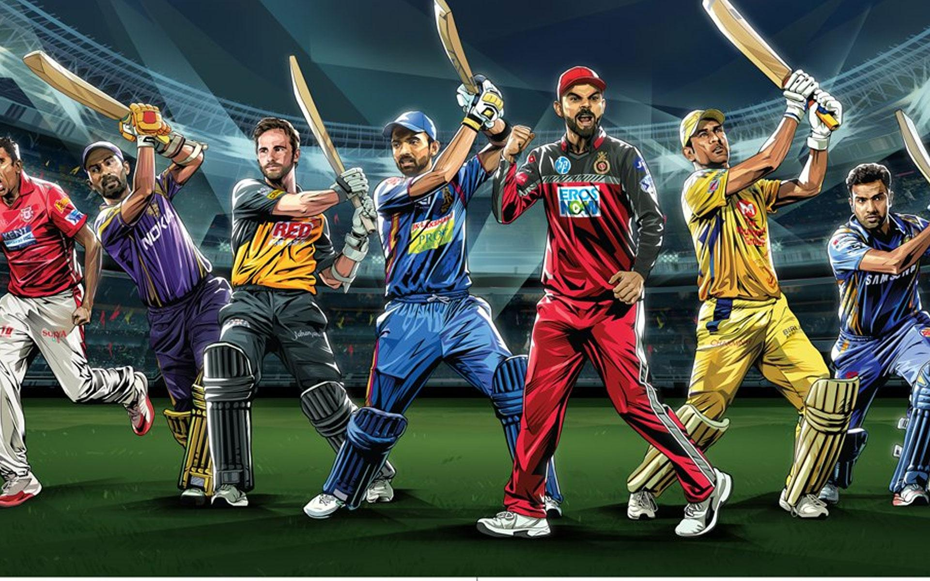
IPL



 | Total
Gujarat Lions | 10
Delhi Daredevils | 1
Royal Challengers Bangalore | 1
Rising Pune Supergiants | 1
 | Total
AJ Finch | 3
DR Smith | 3
SK Raina | 2
AJ Tye | 2
V Kohli | 1
CH Morris | 1
P Kumar | 1

 | Total
Gujarat Lions | 13

Total
 | Total
 | 3
Apr | 1
May | 1
Apr | 1
May | 1
 | 2
Apr | 1
Apr | 1
Apr | 1
Apr | 1

